Q-5
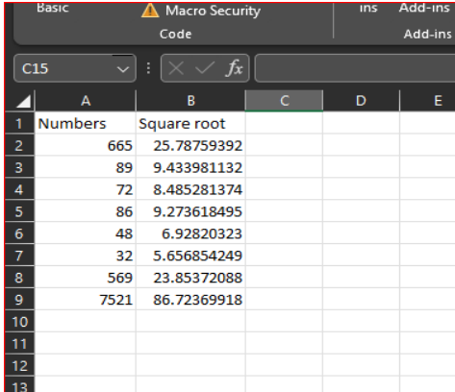
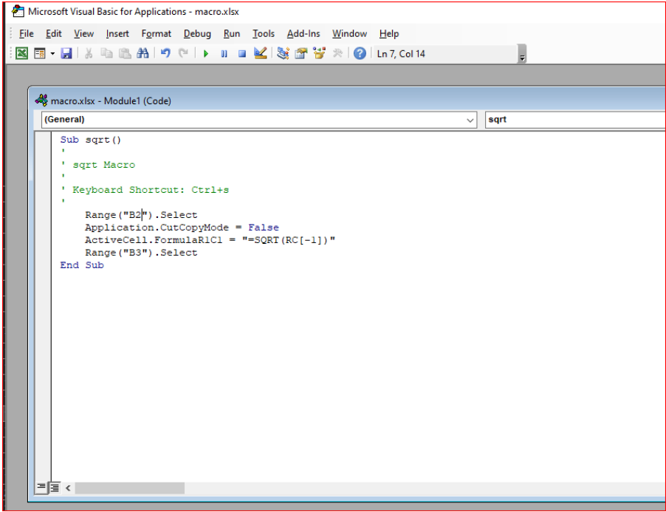
Q-5 Create a macro and shortcut key to find the square root of the following numbers 665, 89, 72, 86, 48, 32, 569, 7521

